Service Invoice
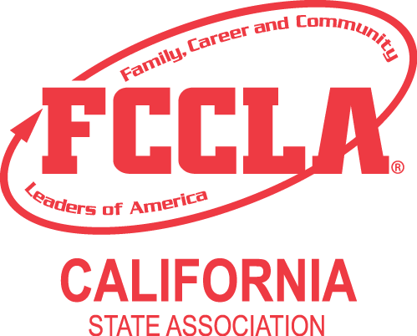
State - INVOICE

P.O. Box 6 |  |  | INVOICE NO. | 2024 CA-FCCLA State Leadership Conference Invoice
Galt, CA 95632 |  |  | DATE | 2023-08-16
(209) 744-1979; FX: (209) 744-1602
mfreitas@ca-fccla.org

TO | School - Chapter ID #
 | Advisor Name
 | Address
 | City, State Zip
 | Phone Number
 | Email Address

CHAPTER |  | EVENT | PAYMENT TERMS |  | DUE DATE
 |  |  | Due upon receipt

QUANTITY | DESCRIPTION |  |  | UNIT PRICE | LINE TOTAL
 | Full-time Attendance Fees
0.00 | Affiliated Chapters - per person |  |  | $389.00 | $-
0.00 | Non-Affiliated Chapters - per person |  |  | $439.00 | $-
0.00 | Teachers in Training/Teacher Educators - per person |  |  | $389.00 | $-
0.00 | Honoarary Members/Alumni/Guests - per person |  |  | $389.00 | $-
 | Part-time Attendance Fees
0.00 | Saturday, April 22, 2023* - per person |  |  | $100.00 | $-
0.00 | Sunday, April 23, 2023* - per person |  |  | $100.00 | $-
0.00 | Monday, April 24, 2023* - per person |  |  | $175.00 | $-
0.00 | Monday Night Banquet ONLY* - per person |  |  | $75.00 | $-
0.00 | Tuesday, April 25, 2023* - per person |  |  | $100.00 | $-
0.00 | *Non-Affiliated Chatpers add $25 to each amount shown. |  |  | $25.00 | $-
 | Additional State Event Fees
0.00 | Chapter Event–Parliamentary Procedure - (Indicate the total number of students (4-8) that are participating in this event in the quantity at left.) Price is per student |  |  | $25.00 | $-
0.00 | Baking and Pastry - (Indicate the total number of students participating in Baking and Pastry in the quantity at left.) Price is per student |  |  | $50.00 | $-

Please read the following information about registration at the link provided below. http://ca-fccla.org Make all checks payable to CALIFORNIA FCCLA Tax ID #94-6091431 THANK YOU FOR YOUR BUSINESS! |  |  |  | SUBTOTAL | $-

Advance online registration must be submitted by the deadline date of April 1, 2024 in order for your chapter to qualify for the advance registration. If any registration items are received after the deadline date your chapter registration would be considered as on-site registration and the on-site fee structure will be assessed. Payment or signed district purchase order must be received or postmarked by the payment deadline date of April 1, 2024. If any payment items are received after the deadline date your chapter registration would be considered as on-site registration and the on-site fee structure will be assessed.

